Figure 4c
 | SCN5A | hERG1a | Colocalized | Single SCN5A | Single hERG1a
 | 135 | 148 | 27 | 108 | 121
 | 153 | 131 | 44 | 109 | 87
 | 113 | 68 | 26 | 87 | 42
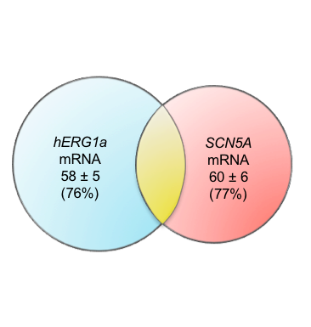
 | 118 | 80 | 21 | 97 | 59
 | 123 | 105 | 29 | 94 | 76
 | 138 | 133 | 39 | 99 | 94
 | 47 | 45 | 12 | 35 | 33
 | 54 | 81 | 19 | 35 | 62
 | 77 | 68 | 6 | 71 | 62
 | 44 | 39 | 10 | 34 | 29
 | 46 | 91 | 16 | 30 | 75
 | 65 | 20 | 7 | 58 | 13
 | 21 | 19 | 3 | 18 | 16
 | 21 | 19 | 3 | 18 | 16
 | 29 | 52 | 5 | 24 | 47
 | 24 | 37 | 7 | 17 | 30
 | 167 | 105 | 15 | 152 | 90
 | 87 | 69 | 18 | 69 | 51
 | 37 | 38 | 10 | 27 | 28
 | 30 | 20 | 3 | 27 | 17
 | 116 | 123 | 24 | 92 | 99
 | 33 | 116 | 13 | 20 | 103
 | 75 | 99 | 26 | 49 | 73
 | 112 | 148 | 34 | 78 | 114
 | 52 | 54 | 12 | 40 | 42
 | 39 | 96 | 31 | 8 | 65
 | 23 | 35 | 6 | 17 | 29
 | 33 | 28 | 8 | 25 | 20
 | 54 | 53 | 7 | 47 | 46
 | 150 | 99 | 29 | 121 | 70
 | 27 | 8 | 1 | 26 | 7
 | 68 | 28 | 9 | 59 | 19
 | 99 | 57 | 16 | 83 | 41
 | 140 | 95 | 21 | 119 | 74
 | 70 | 62 | 18 | 52 | 44
 | 85 | 54 | 16 | 69 | 38
 | 184 | 185 | 32 | 152 | 153
 | 102 | 123 | 14 | 88 | 109
 | 36 | 70 | 10 | 26 | 60
 | 36 | 70 | 10 | 26 | 60
 | 89 | 74 | 27 | 62 | 47

Mean # | 76.87804878 | 74.268292683 | 16.682926829 | 60.195121951 | 57.585365854
SD # | 46.141735512 | 41.846758769 | 10.734148835 | 38.677654733 | 33.742388482
SEM # | 7.2956489706 | 6.6165535204 | 1.6972179531 | 6.1154741754 | 5.3351400649

